Class Search Fields
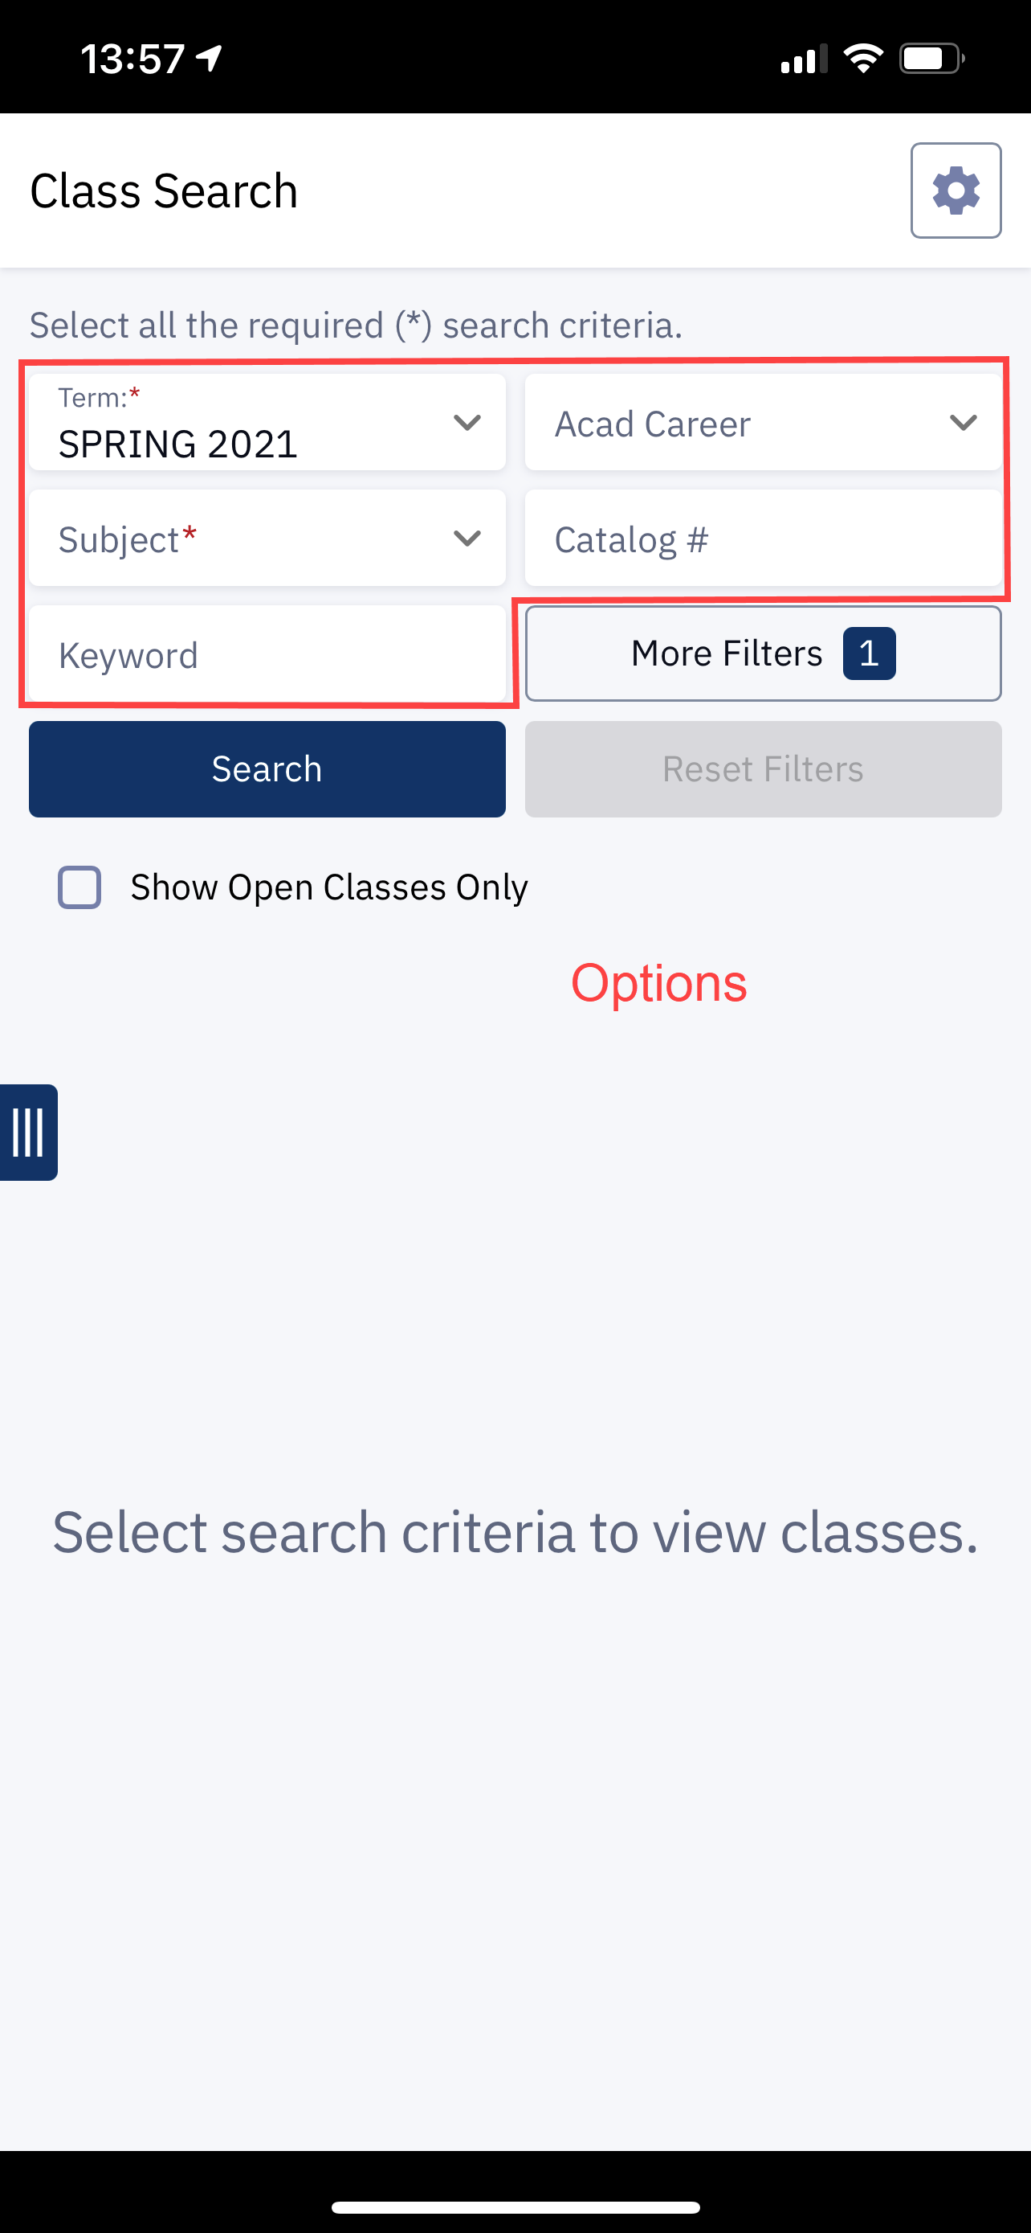
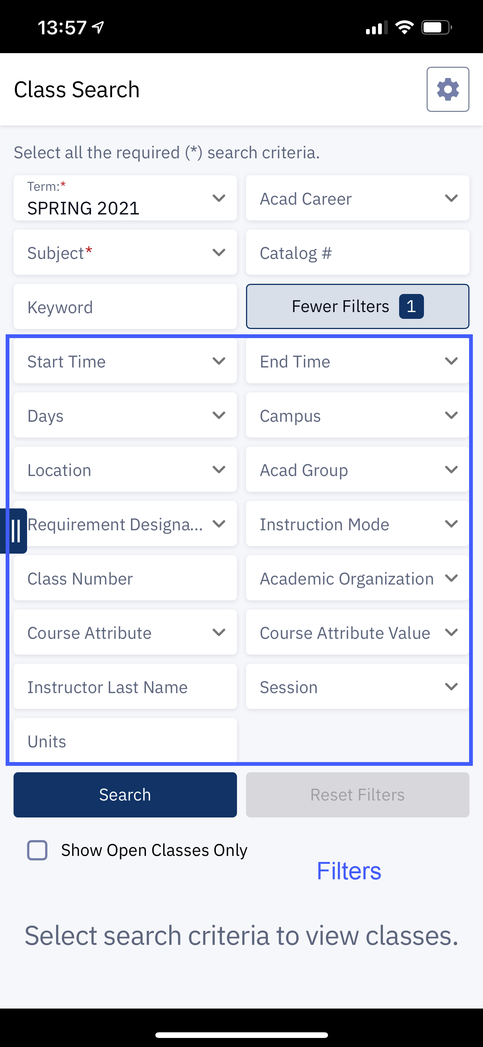
Field Name | Descirption | Sort Order | Use * | Required
TERM | Term |  |  | Yes
ACAD_CAREER | Acad Career
SUBJECT | Subject
CATALOG_NBR | Catalog #
KEYWORD | Keyword
DATE_RANGE | Start Date Between
TIME_RANGE | Time Range
DAYS | Days
CAMPUS | Campus
LOCATION | Location
ACAD_GROUP | Acad Group
RQMNT_DESIGNATION | Requirement Designation
INSTRUCTION_MODE | Instruction Mode
CLASS_NBR | Class Number
ACAD_ORG | Academic Organization
CRSE_ATTR | Course Attribute
CRSE_ATTR_VALUE | Course Attribute Value
INSTRUCTOR_NAME | Instructor Last Name
SESSION_CODE | Session
ENROL_STAT | Show Open Classes Only
UNITS | Unit
SUBJECT_LIKE | Subject Begins With

Please highlight only changes being requested

* Use values are as follows
Options = Always shows
None = Not shown
Filters = Only shown when 'More Filters' is clicked

Desktop Examples:

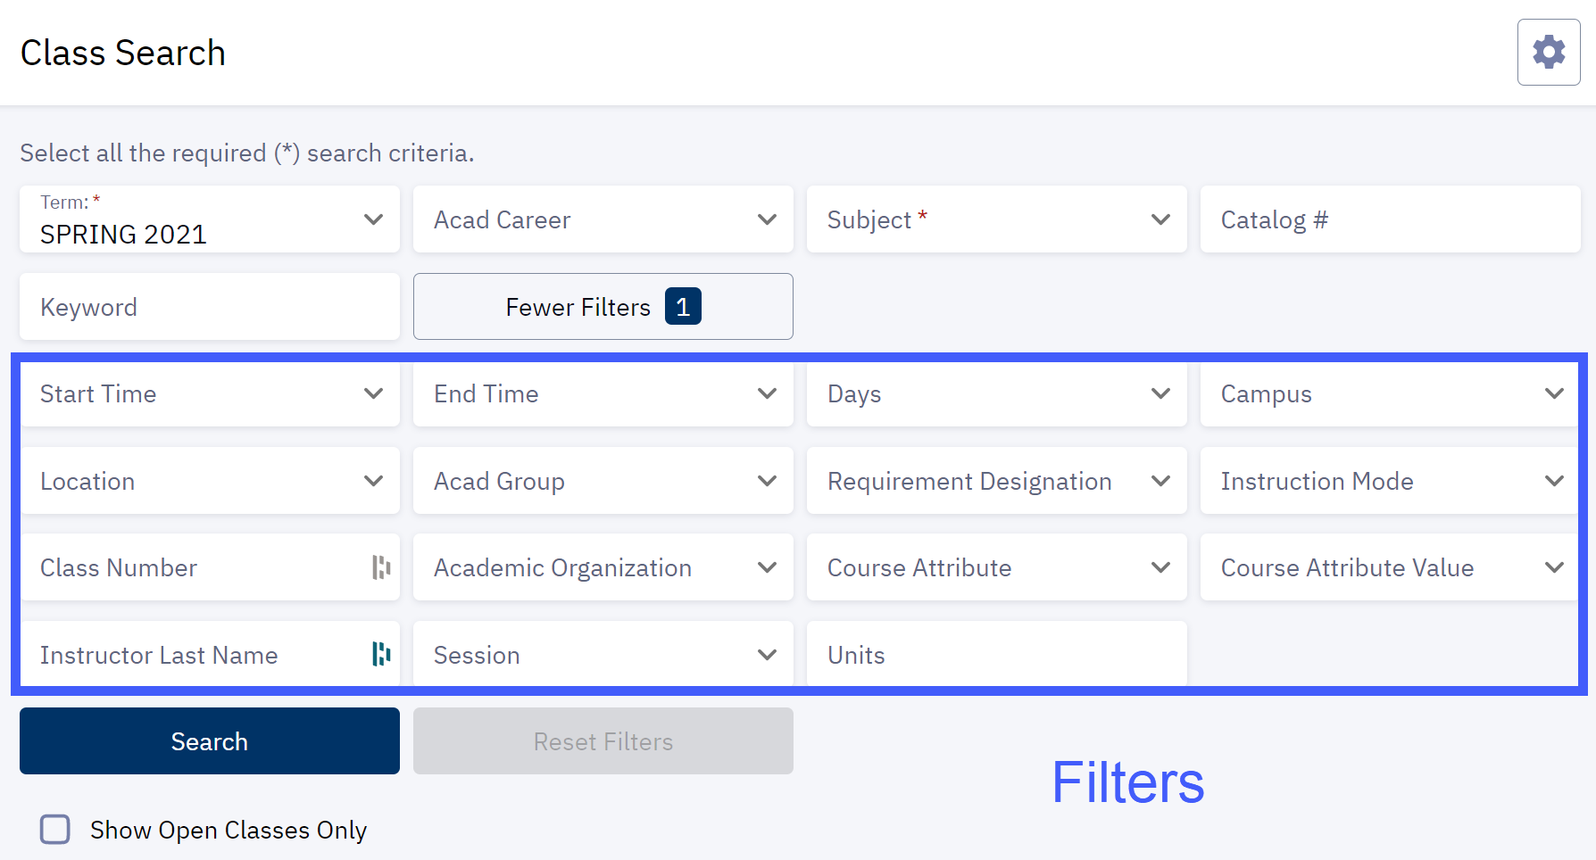

Mobile App Examples:

Search Results Fields
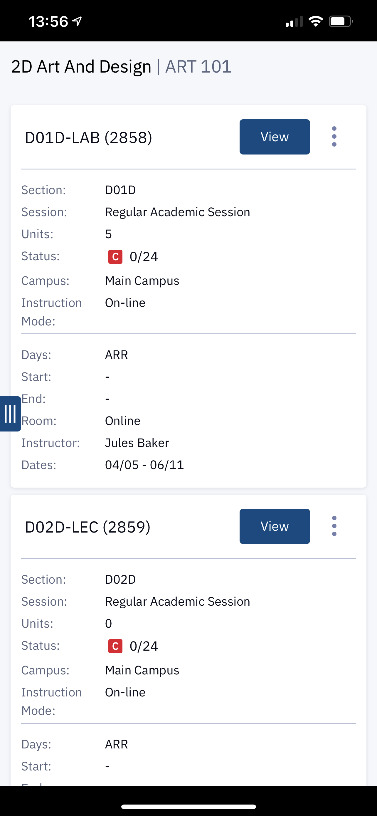
Field Name | Description | Sort Order | Enabled
CLASS_SECTION | Section
TOPIC | Topic
SESSION | Session
DAYS | Days
START_TIME | Start
END_TIME | End
ROOM | Room
INSTRUCTOR | Instructor
DATES | Dates
UNITS | Units
STATUS | Status
CAMPUS | Campus
INSTRUCTION_MODE | Instuction Mode

Desktop Example:

Mobile App Example:

